Лист1
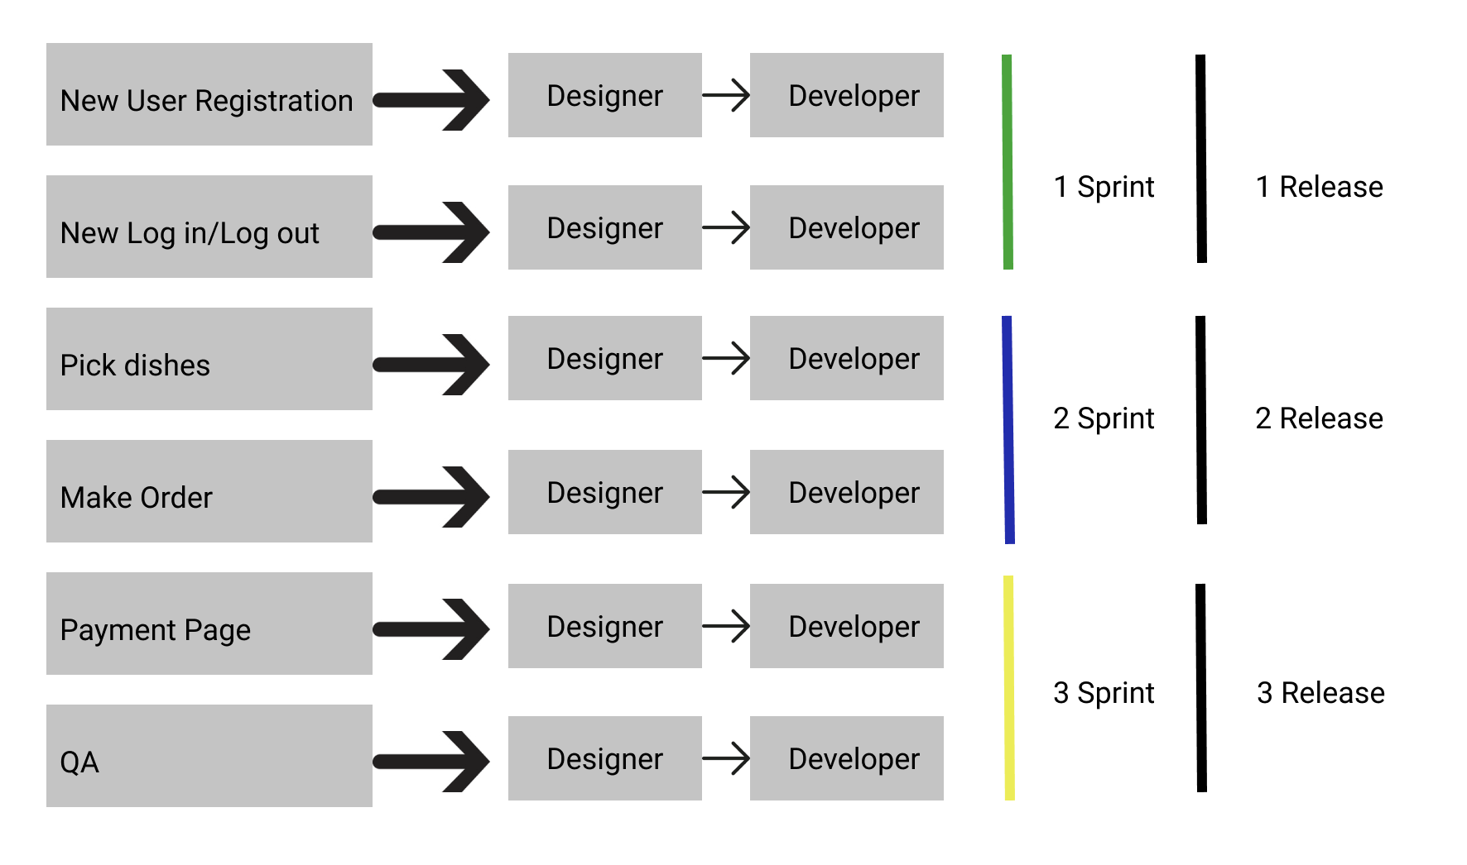
Release Goals: | Description
First Release After User able to Register, Log in/Log out | 1 Sprint
Second Release after User able to pick dishes, make order | 2 Sprint
Third Release after User able to make a payment | 3 Sprint
Final Release after integration with the main restaurant web site | 3 Sprint

